graph
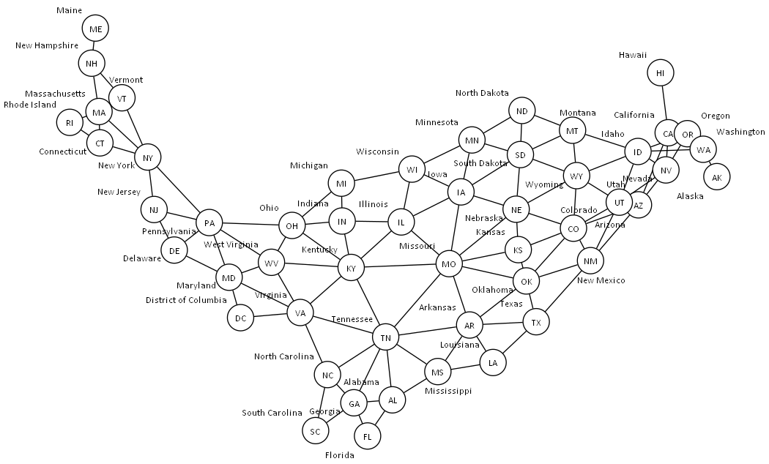

styles
Style Name | Format | Style Type | All Styles | No Clusters | No Edges
node |  | node | yes | yes | yes
edge |  | edge | yes | yes | yes
subgraph-open |  | subgraph-open | yes | no | yes | 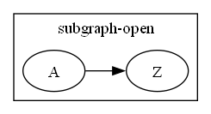
subgraph-close |  | subgraph-close | yes | no | yes
keyword |  | keyword | yes | yes | yes
native |  | native | yes | yes | yes
Border 0 Begin | penwidth=2 fontname="Calibri Bold" fontsize=16 margin=18 | subgraph-open | yes | no | yes | 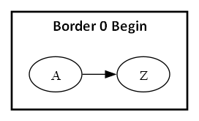
Border 0 End |  | subgraph-close | yes | no | yes
Border 1 Begin | penwidth=1 colorscheme=pastel16 fillcolor=6 fontname="Calibri Bold" fontsize=12 style=filled margin=18 | subgraph-open | yes | no | yes | 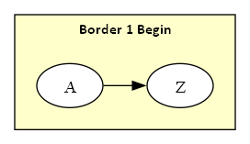
Border 1 End |  | subgraph-close | yes | no | yes
Border 2 Begin | penwidth=1 colorscheme=pastel16 fillcolor=5 fontname="Calibri Bold" fontsize=12 style=filled margin=18 | subgraph-open | yes | no | yes | 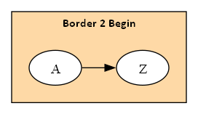
Border 2 End |  | subgraph-close | yes | no | yes
Border 3 Begin | penwidth=1 colorscheme=pastel16 fillcolor=4 fontname="Calibri Bold" fontsize=12 style=filled margin=18 | subgraph-open | yes | no | yes | 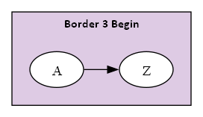
Border 3 End |  | subgraph-close | yes | no | yes
Border 4 Begin | penwidth=1 colorscheme=pastel16 fillcolor=3 fontname="Calibri Bold" fontsize=12 style=filled margin=18 | subgraph-open | yes | no | yes | 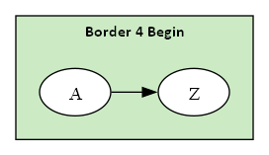
Border 4 End |  | subgraph-close | yes | no | yes
Border 5 Begin | penwidth=1 colorscheme=pastel16 fillcolor=2 fontname="Calibri Bold" fontsize=12 style=filled margin=18 | subgraph-open | yes | no | yes | 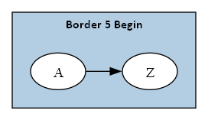
Border 5 End |  | subgraph-close | yes | no | yes
Component | shape=component height="0.75" width="1.25" fixedsize=True fillcolor=White fontname=Calibri fontsize=10 style=filled | node | yes | yes | yes
Decision | shape=diamond height="0.75" width="1.25" fixedsize=True fillcolor=White fontname=Calibri fontsize=10 style=filled | node | yes | yes | yes
Event | shape=rectangle height="0.375" width="1.25" fixedsize=True fillcolor=White fontname=Calibri fontsize=10 style="rounded,filled" | node | yes | yes | yes
Extract | shape=triangle height="0.75" width="1.25" fixedsize=True fillcolor=White fontname=Calibri fontsize=10 style=filled | node | yes | yes | yes
File | shape=note height="0.75" width="0.5" fixedsize=True fillcolor=White fontname=Calibri fontsize=10 style=filled | node | yes | yes | yes
Folder | shape=folder height="0.5" width="0.75" fixedsize=True fillcolor=White fontname=Calibri fontsize=10 style=filled | node | yes | yes | yes
Flow | fontname=Calibri fontsize=10 | edge | yes | yes | no
Flow - Dotted | fontname=Calibri fontsize=10 weight=100 decorate=false style=dotted arrowsize="0.5" | edge | yes | yes | no
Flow - Negative | fontname=Calibri fontsize=10 weight=100 decorate=false color=red fontcolor=red | edge | yes | yes | no
Flow - Positive | fontname=Calibri fontsize=10 weight=100 decorate=false color=darkgreen fontcolor=darkgreen | edge | yes | yes | no
Input | shape=parallelogram height="0.75" width="1.25" fixedsize=True fillcolor=White fontname=Calibri fontsize=10 style=filled | node | yes | yes | yes
Invisible Edge | style=invis color=Invis | edge | yes | yes | no
Invisible Point | shape=point fillcolor=Invis color=Invis style=filled | node | yes | yes | yes
Manual Operation | shape=invtrapezium height="0.75" width="1.25" fixedsize=True fillcolor=White fontname=Calibri fontsize=10 style=filled | node | yes | yes | yes
Merge | shape=invtriangle height="0.75" width="1.25" fixedsize=True fillcolor=White fontname=Calibri fontsize=10 style=filled | node | yes | yes | yes
Off Page Reference | shape=invhouse height="0.625" width="0.625" fixedsize=True fillcolor=White fontname=Calibri fontsize=10 style=filled | node | yes | yes | yes
On Page Reference | shape=circle height="0.625" width="0.625" fixedsize=True fillcolor=White fontname=Calibri fontsize=10 style=filled | node | yes | yes | yes
Output | shape=parallelogram height="0.75" width="1.25" fixedsize=True fillcolor=White fontname=Calibri fontsize=10 style=filled | node | yes | yes | yes
Point | shape=point | node | yes | yes | yes
Predefined Process | shape=rectangle height="0.75" width="1.25" fixedsize=True fillcolor=White fontname=Calibri fontsize=10 style="diagonals,filled" | node | yes | yes | yes
Preparation | shape=hexagon height="0.75" width="1.25" fixedsize=True fillcolor=White fontname=Calibri fontsize=10 style=filled | node | yes | yes | yes
Process | shape=rect height="0.75" width="1.25" fixedsize=True fillcolor=White fontname=Calibri fontsize=10 style=filled | node | yes | yes | yes
Stop | shape=octagon height="0.75" width="0.75" fixedsize=True color=Red fillcolor=white fontname=Calibri fontsize=10 style=filled | node | yes | yes | yes
Circle | shape=circle height="0.375" width="0.375" fixedsize=True fillcolor=White fontname=Calibri fontsize=10 style=filled | node | yes | yes | yes

